Sheet1
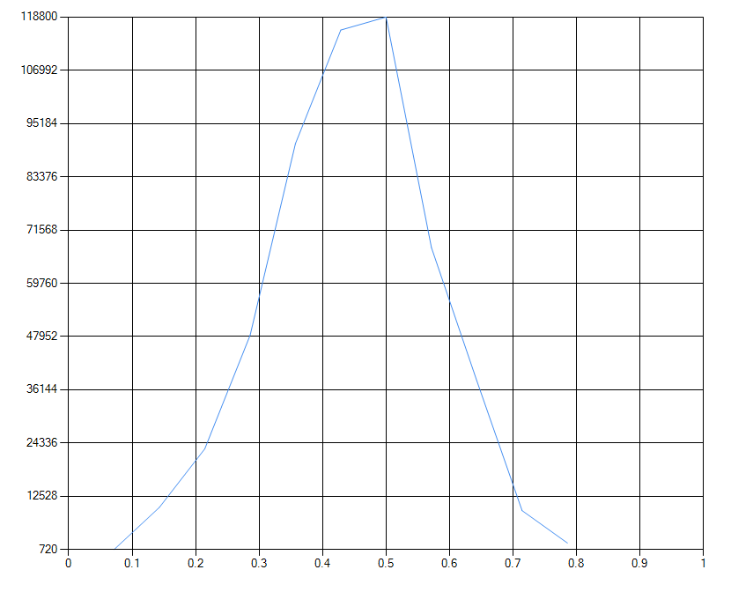

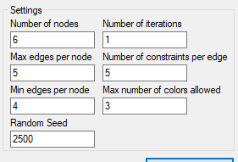
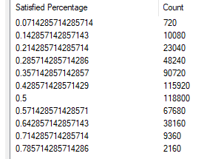

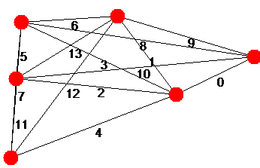

Edge 0 constraint: Constraint_MustBeSameColor
Edge 1 constraint: Constraint_MustBeSameColor
Edge 2 constraint: Constraint_MustNotBeOneOfEach(Color [Blue], Color [Blue]) - Constraint_MustNotBeOneOfEach(Color [Blue], Color [Blue]) - Constraint_MustNotBeOneOfEach(Color [Red], Color [Blue]) -
Edge 3 constraint: Constraint_MustNotBeOneOfEach(Color [Blue], Color [Blue]) - Constraint_MustNotBeOneOfEach(Color [Green], Color [Red]) -
Edge 4 constraint: Constraint_MustBeSameColor
Edge 5 constraint: Constraint_MustBeOneOfEach(Color [Blue], Color [Red]) - Constraint_MustBeOneOfEach(Color [Blue], Color [Green]) - Constraint_MustBeOneOfEach(Color [Blue], Color [Blue]) -
Edge 6 constraint: Constraint_MustBeSameColor
Edge 7 constraint: Constraint_MustBeOneOfEach(Color [Green], Color [Blue]) - Constraint_MustBeOneOfEach(Color [Green], Color [Blue]) -
Edge 8 constraint: Constraint_MustNotBeOneOfEach(Color [Blue], Color [Green]) - Constraint_MustNotBeOneOfEach(Color [Red], Color [Blue]) - Constraint_MustNotBeOneOfEach(Color [Blue], Color [Green]) -
Edge 9 constraint: Constraint_MustBeOneOfEach(Color [Green], Color [Blue]) - Constraint_MustBeOneOfEach(Color [Green], Color [Red]) -
Edge 10 constraint: Constraint_MustBeSameColor
Edge 11 constraint: Constraint_MustBeOneOfEach(Color [Red], Color [Blue]) - Constraint_MustBeOneOfEach(Color [Blue], Color [Blue]) - Constraint_MustBeOneOfEach(Color [Green], Color [Green]) -
Edge 12 constraint: Constraint_MustBeDifferentColor
Edge 13 constraint: Constraint_MustBeOneOfEach(Color [Blue], Color [Blue]) - Constraint_MustBeOneOfEach(Color [Green], Color [Red]) - Constraint_MustBeOneOfEach(Color [Green], Color [Red]) -

